Activity 1.1
ACTIVITY 1.1 INCEPTION WORKSHOP |  |  | DURATION (days) | NOTES
START DATE | END DATE | TASKS
2017-07-31 | 2017-08-04 | 1.Issue invitations to resource persons | 4 | Issue "Subject Matter Expert Form" to USAID/NOAA; SEAFDEC, University Partnership reps.
2017-08-02 | 2017-08-04 | 2. Issue invitations to NCCs | 2 | Issue letters to NCCs
2017-08-04 | 2017-08-11 | 3. Receive feedback from resource persons | 7 | This includes follow-up communications with resource persons
2017-08-04 | 2017-08-18 | 4. Receive feedback from NCCs | 14 | This includes follow-up communications with NCCs
2017-08-11 | 2017-09-01 | 5. Workshop material preparation | 21 | Work with resource persons for workshop materials preparations
2017-08-21 | 2017-09-30 | 6. Logistical arrangements | 40 | Regional Secretariat to facilitate logistical arrangementsfor participants until end of workshop (e.g. hotel, travel, perdiem)
2017-08-21 | 2017-09-30 | 7. Administrative arrangements | 40 | Regional Secretariat to facilitate appointment of rapporteurs; meeting package; meeting room technical requirements (e.g. projectors; flipcharts; etc)
2017-08-26 | 2017-08-28 | 8. Commence Inception Workshop | 2 | Ensure relevant persons & participants present
2017-08-28 | 2017-09-11 | 9. Prepare Workshop Report | 14 | Rapporteur reports to main report writer for workshop report completion
2017-09-11 | 2017-09-13 | 10. Submit Workshop Report to NCCs | 2 | Workshop Report disseminated to NCCs

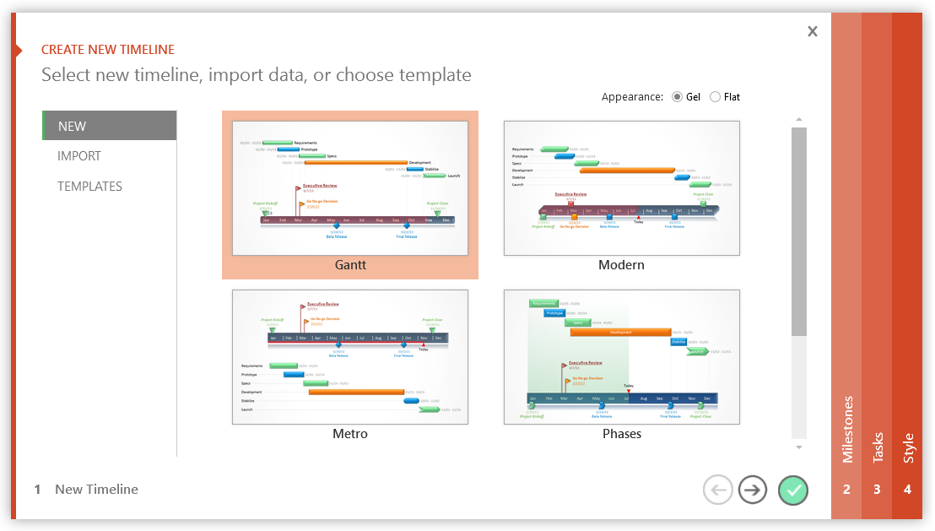

3 Easy steps to instantly turn Excel data into a PowerPoint slide
1. Download Office Timeline Plus Edition for PowerPoint.
2. Open PowerPoint and click on NEW Timeline from the Office Timeline tab inside of PowerPoint. Copy your Excel table paste it into Office Timeline Plus or import it.
3. Click the green check mark to instantly produce you timeline slide.

Activity 1.2
ACTIVITY 2.1 |  |  | DURATION (days) | NOTES
START DATE | END DATE | TASKS
2017-11-01 | 2017-11-14 | 1. Finalized TOR, Provisional Agenda and Budget | 13
2017-11-15 | 2017-11-16 | 2. Save the date letter for NCC and resource person | 1
2017-11-03 | 2017-11-17 | 3. Response period for item 1 (Papua New Guinea and Solomon Islands) | 14
2017-11-17 | 2017-11-24 | 4. Booked the venue | 7
2017-11-24 | 2017-11-24 | 5. Formal invitation letter (inc. Agenda, TOR, template of presentation) | 0
2017-11-24 | 2017-12-08 | 6a. Response period for item 4 (registration and follow up) (PNG and SI) | 14
2017-11-24 | 2018-01-18 | 6b. Response period for item 4 (registration and follow up) | 55
2018-01-18 | 2018-03-08 | 7. Hotel Arrangement | 49
2018-01-18 | 2018-03-08 | 8. Logistical arrangements | 49
2018-01-18 | 2018-02-25 | 9. Publication (Flyer, web teaser) | 38
2018-02-25 | 2018-03-02 | 10. Room meeting arrangement (backdrop, goodies, flag table, etc.) | 5
2018-03-22 | 2018-03-22 | 11. Planning Committee Meeting in Manado | 0
2018-03-27 | 2018-03-27 | 12. Planning Committee Meeting in Jakarta | 0
2018-03-29 | 2018-03-30 | 13. Conduct Meeting | 1
2018-03-30 | 2018-04-02 | 14. Minutes of Meeting | 3
2018-04-02 | 2018-04-23 | 15. Prepare Meeting Report | 21
2018-04-23 | 2018-04-23 | 16. Submit Final Draft Workshop Report to NCCs (incl. the list of PPP Task Force) | 0
2018-04-23 | 2018-04-28 | 17. Respon pepriod for Workshop Report and the list of PPP Task Force to NCCs approval | 5

3 Easy steps to instantly turn Excel data into a PowerPoint slide
1. Download Office Timeline Plus Edition for PowerPoint.
2. Open PowerPoint and click on NEW Timeline from the Office Timeline tab inside of PowerPoint. Copy your Excel table paste it into Office Timeline Plus or import it.
3. Click the green check mark to instantly produce you timeline slide.

